Case #1
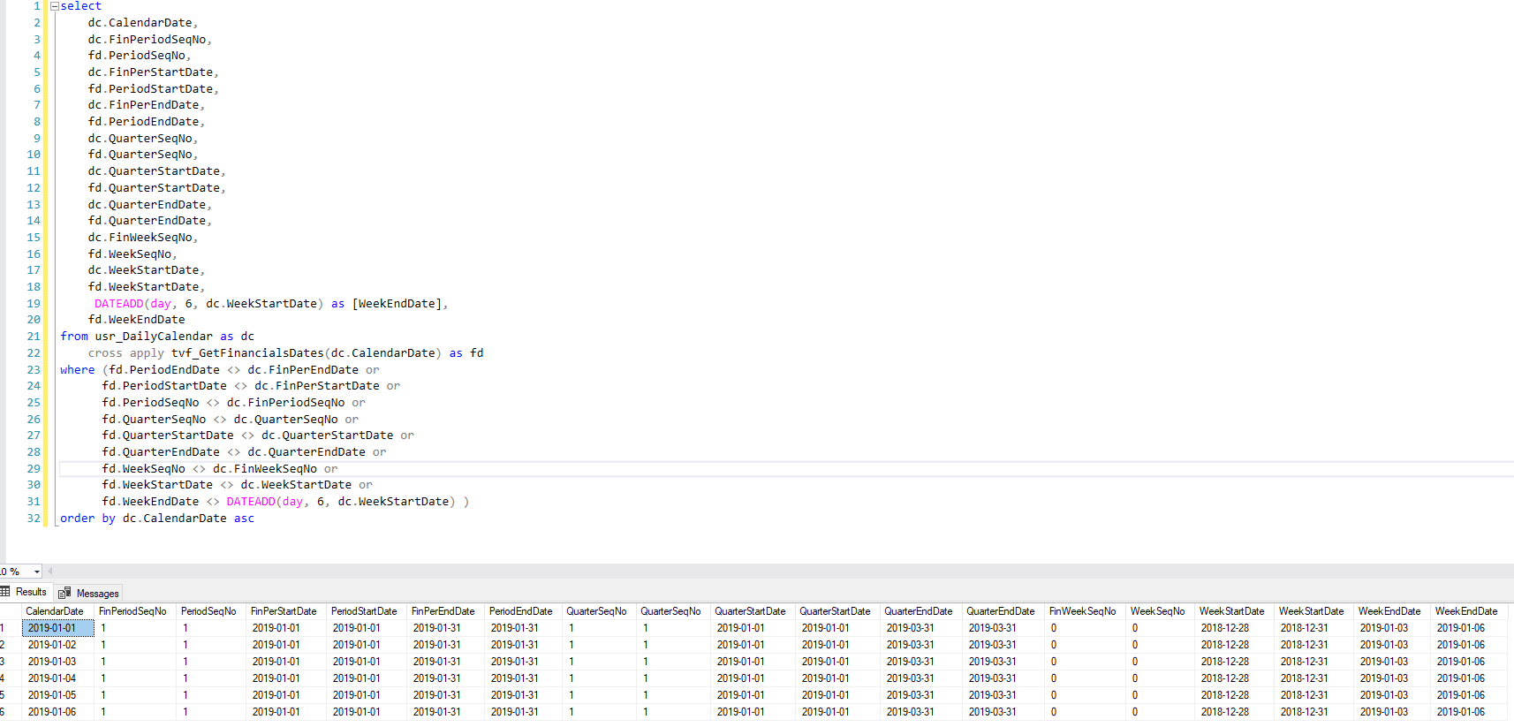
Justin Pope Dev Test
Test Case No. | 1
Process | tvf_GetFinancialsDates
Test Consideration | Run from SQL Server Management Studio
Test Condition |  | Data Used | How To Verify | Actual Results
Tasks
1 | compare tvf to table usr_DailyCalendar | dev environment | query | screen shot below
Configuration/Data Setup for Testing Scenario
1 | Took a snap shot of usr_DailyCalendar from production

Verification
 | The start and end date for the dates 1/1/2019 thru 1/6/2019 in the usr_DailyCalendar does not adhere to the rule of Monday is the start date of the week and Sunday is the end date of the week. Unless this statement is not valid for these days, there is no error.

Test Cast Screens Shots Before and After

